Printable List
2011 Weight Loss Challenge!
Contest Rules:
• Weight loss is measured as a percent of total weight not on absolute weight
• Weigh-in begins on Monday, January 11, 2010
• Final Weight will be taken on Friday, April 9, 2010
• There will be two interim weigh-ins on the first Monday of each month
o February 1, 2010
o March 1, 2010
• Weights to be taken with empty pockets, and without shoes or belts
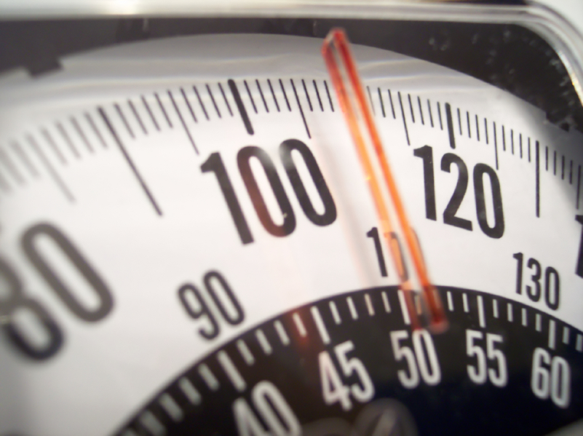
Name | 1st Weigh-in Percent Lost | 2nd Weigh-in Percent Lost | FINAL Weigh-in Percent Lost
Ima Winner | 2% | 3% | 5%
0 | #DIV/0! | #DIV/0! | #DIV/0!
0 | #DIV/0! | #DIV/0! | #DIV/0!
0 | #DIV/0! | #DIV/0! | #DIV/0!
0 | #DIV/0! | #DIV/0! | #DIV/0!
0 | #DIV/0! | #DIV/0! | #DIV/0!
0 | #DIV/0! | #DIV/0! | #DIV/0!
0 | #DIV/0! | #DIV/0! | #DIV/0!
0 | #DIV/0! | #DIV/0! | #DIV/0!
0 | #DIV/0! | #DIV/0! | #DIV/0!
0 | #DIV/0! | #DIV/0! | #DIV/0!
0 | #DIV/0! | #DIV/0! | #DIV/0!
0 | #DIV/0! | #DIV/0! | #DIV/0!
0 | #DIV/0! | #DIV/0! | #DIV/0!
0 | #DIV/0! | #DIV/0! | #DIV/0!
0 | #DIV/0! | #DIV/0! | #DIV/0!
0 | #DIV/0! | #DIV/0! | #DIV/0!
0 | #DIV/0! | #DIV/0! | #DIV/0!
0 | #DIV/0! | #DIV/0! | #DIV/0!
0 | #DIV/0! | #DIV/0! | #DIV/0!
0 | #DIV/0! | #DIV/0! | #DIV/0!
0 | #DIV/0! | #DIV/0! | #DIV/0!
0 | #DIV/0! | #DIV/0! | #DIV/0!
0 | #DIV/0! | #DIV/0! | #DIV/0!
0 | #DIV/0! | #DIV/0! | #DIV/0!
0 | #DIV/0! | #DIV/0! | #DIV/0!
0 | #DIV/0! | #DIV/0! | #DIV/0!
0 | #DIV/0! | #DIV/0! | #DIV/0!
0 | #DIV/0! | #DIV/0! | #DIV/0!
0 | #DIV/0! | #DIV/0! | #DIV/0!
0 | #DIV/0! | #DIV/0! | #DIV/0!
0 | #DIV/0! | #DIV/0! | #DIV/0!
0 | #DIV/0! | #DIV/0! | #DIV/0!
0 | #DIV/0! | #DIV/0! | #DIV/0!

